ReadMe
 | For a detailed overview of all release notes, click here:
 | Release notes

Essentials - Release Instructions

Solution Version | Release Date | Remark

10048.32250316.49176.164152 | 2026-07-30 | 2026Q3-1 Quality Release - Essentials

Previous releases

Essentials
Version | Release date | Remark
10048.32249850.49176.150728 | 2026-06-12 | 2026Q3 Release - Essentials A new model DYSSOL322 has been introduced. If you install our source code please be sure to add this to your repository.
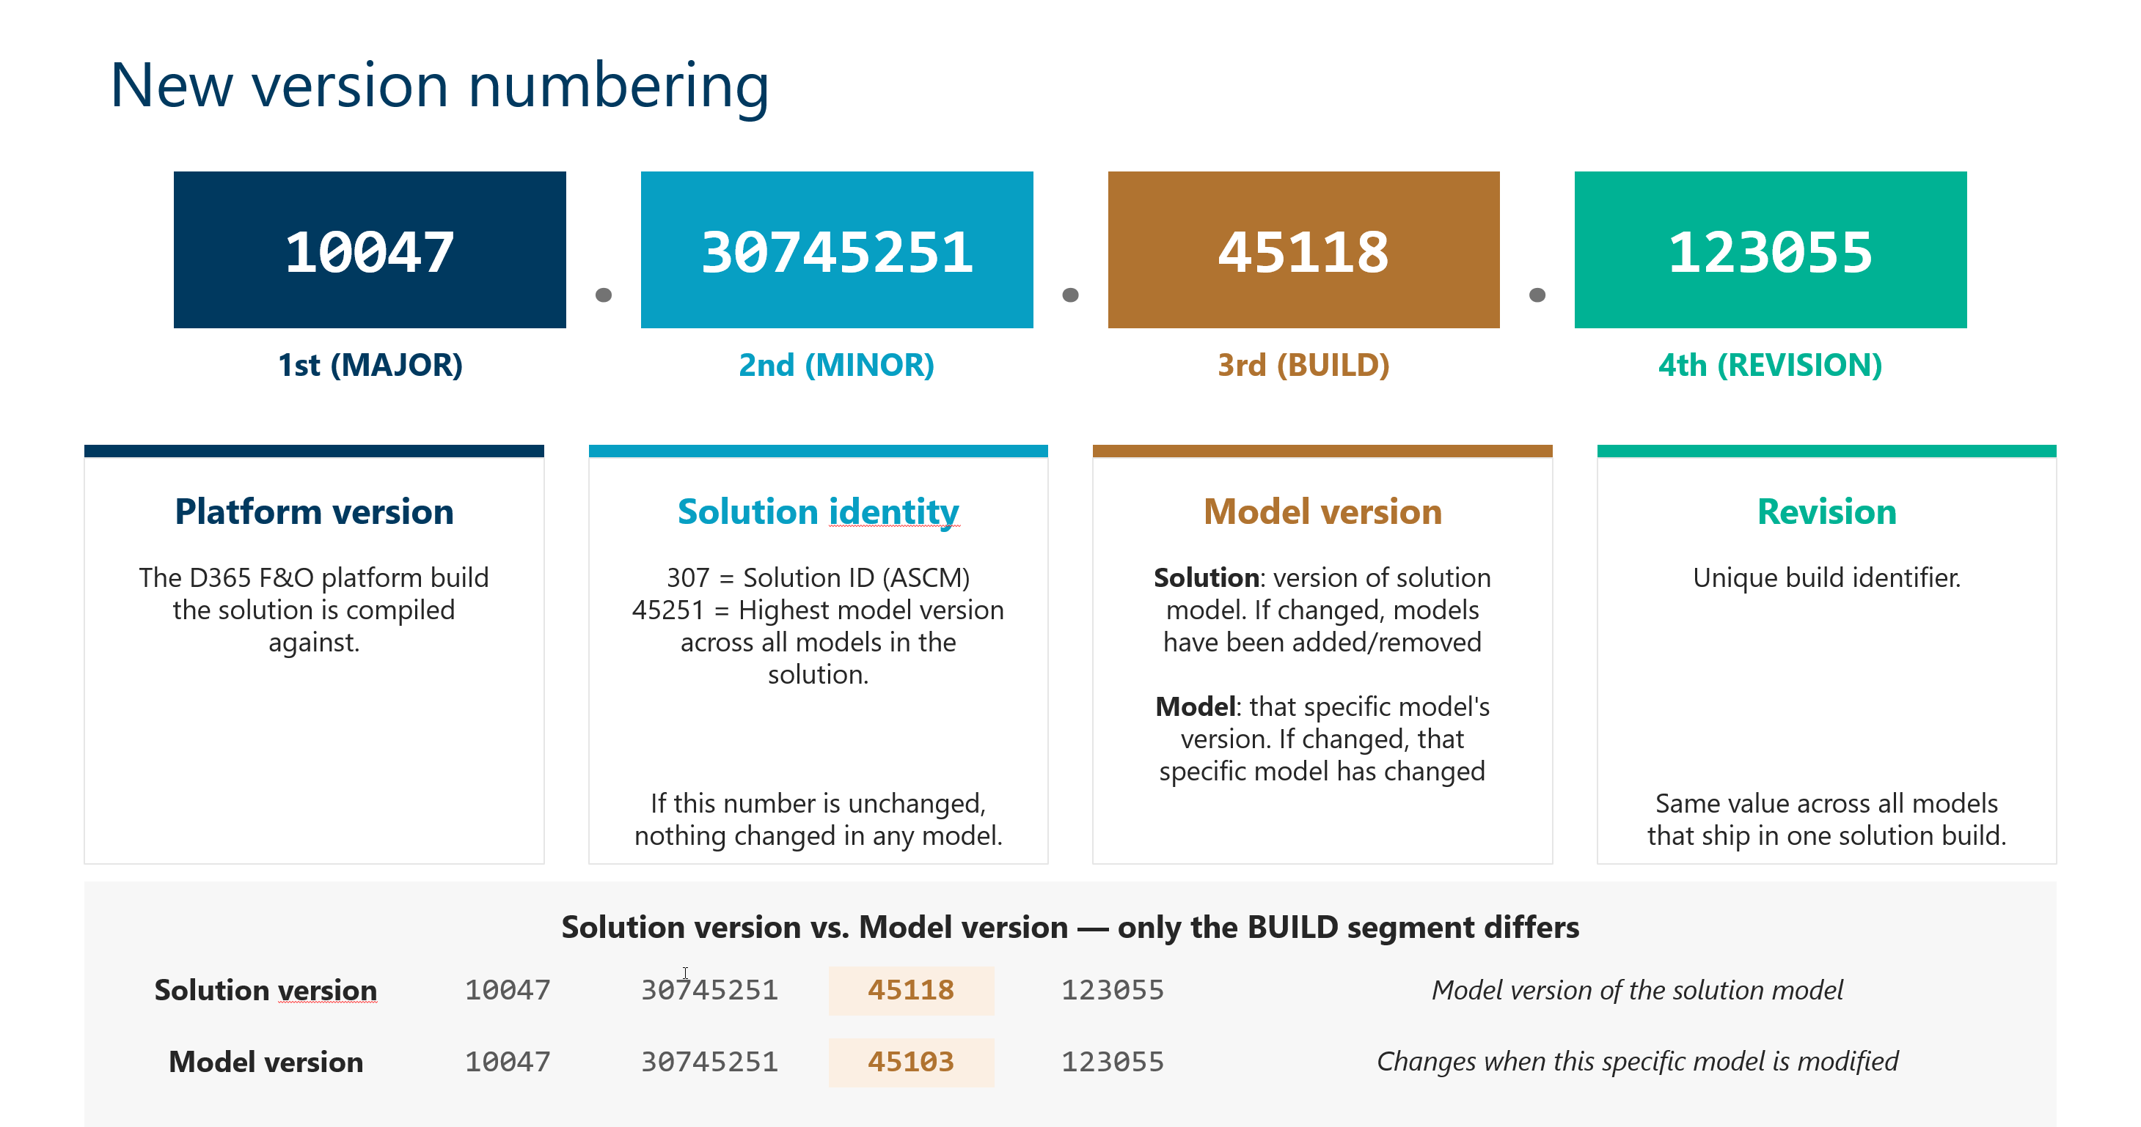
10047.32249310.47892.150332 | 2026-06-10 | 2026Q2-1 Quality Release - Essentials this release does not contain any functional changes, we are releasing this as the previous release (10047.32249310.49176.141624) contained 3 test models which now have been removed (DYSAutoTest, DYSBRLTest,DYSCRPTest) These models are causing issues when deploying to acceptance and production, we shipped them by accident) If you've set up a saved view that includes Tags and receive an object reference error when trying to modify the query, delete the current query and recreate it. This issue has been fixed in the latest version, but existing queries created before the fix will still experience this error. From now on our version numbering has been changed. See picture. In the Release Notes tab, the version number refers to the solution version. The new Modified Models column displays the build version number of each modified model. To verify that a change has been applied, open the Help > About dialog in the application and check the version of the third element for the relevant model — it should be equal to or higher than the version listed in the release notes. If it is, you can be confident that the change is included in the installed version.
10047.32249310.49176.141624 | 2026-04-29 | 2026Q2-1 Quality Release - Essentials If you've set up a saved view that includes Tags and receive an object reference error when trying to modify the query, delete the current query and recreate it. This issue has been fixed in the latest version, but existing queries created before the fix will still experience this error. From now on our version numbering has been changed. See picture. In the Release Notes tab, the version number refers to the solution version. The new Modified Models column displays the build version number of each modified model. To verify that a change has been applied, open the Help > About dialog in the application and check the version of the third element for the relevant model — it should be equal to or higher than the version listed in the release notes. If it is, you can be confident that the change is included in the installed version.
10046.25120401.48120 | 2026-02-27 | 2026Q1-2 Quality Release - Essentials
10046.25120400.47307 | 2026-01-09 | 2026Q1 Release - Essentials In this version a new feature is introduced on the business rules transition validations. It's not possible to influence the execution order of the transition validation. A new field which contains the sorting number needs to be populated. Therefore we advise you to run the upgrade job "Data upgrade job for HSO Business Rule" A new model/package DYSTAG "TAG" has been introduced which is part of the products HSO Essentials, HSO Product Search, HSO Advanced Order Management and HSO Advanced Supply Chain Management If you install our source code please be sure to add this to your repository. The license for HSO Tag is valid if there is a valid license found for HSO Product Search or HSO Essentials A new model DYSESS has been introduced for HSO Essentials. Please add it to you code repository for your OTAP deployments. A new license configuration key HSO Essentials has been introduced. On the moment of release of this change it's only being used to implement the ALF License configuration check for the new feature Hso TAG. which is part of the HSO Essentials solution from of 2026Q1 release. If you have installed the HSOBBSAPC model, please adjust your transition validations to the newly implemented methods and remove this model.See for more information our documentation website Busniss rules xpp validation method checkSalesLineMarginQuestionable and checkSalesLineMarginUnacceptable have been marked obsoletePlease start using the new method checkSalesMargin and use parameter Acceptable instead of checkSalesLineMarginQuestionable and use Questionable instead of checkSalesLineMarginUnacceptable The new methods are part of DYSCommonTrade and will become available after you have enabled this configuration key.
10045.25090102.46751 | 2025-11-26 | 2025Q4-2 Quality Release - Essentials
10045.25090101.46405 | 2025-10-31 | 2025Q4-1 Quality Release - Essentials
10045.25090100.45903 | 2025-09-26 | 2025Q4 Release - Essentials
10044.25042500.44868 | 2025-07-28 | 2025Q3-1-Hotfix release 1 - Essentials This hotfix is only needed if you print Return order documents on the RMA, see release note
MS release 10044 |  | In release 10.0.44 Microsoft will replace the existing libraries for working with Azure storage accounts with a new implementation. Please see the following link for more information: https://learn.microsoft.com/en-us/dynamics365/fin-ops-core/fin-ops/get-started/removed-deprecated-features-platform-updates#migration-from-deprecated-libraries--windowsazurestorage-and-microsoftazurestorage-to-azurestorageblobs For two of our products this meant that we had to refactor our code to work with the new libraries. Affected products: • Slim4 file based integration. Slim4 File based integration has been refactored to use the new libraries. Note that we also added a new parameter in the setup that needs to be setup when upgrading to the latest version. It’s being used for import and export of the Slim4 files to an azure blob storage. • Banking (now part of HSO Finance) This product uses Azure storage accounts through one of our base models (DYSFoundationAzure) DYSFoundationAzure is also refactored to use the new libraries. It’s being used to import bank statement files into F&O from an azure blob storage. Regarding customizations: For both products breaking changes were made so if you have customizations on Slim4 file based or Banking (through DYSFoundationAzure) with regards to the storage account please make sure that you build and test the code thoroughly. Regarding deployment: The new libraries are available on 10.0.43 and 10.0.44. This means that our 2025Q3 release is not compatible with 10.0.42 and older. Microsoft also announced "Disable storage account key access to Finance and Operations managed storage accounts" https://learn.microsoft.com/en-us/dynamics365/fin-ops-core/fin-ops/get-started/removed-deprecated-features-platform-updates#disable-storage-account-key-access-to-finance-and-operations-managed-storage-accounts : An F&O Managed storage account is not used in any of our in our solutions.
10044.25042500.44824 | 2025-07-24 | 2025Q3-1 Quality Update - Essentials
10044.25042500.44282 | 2025-06-19 | 2025Q3 First Release of Essentials

