Read me
HSOProduct Search - Release Instructions

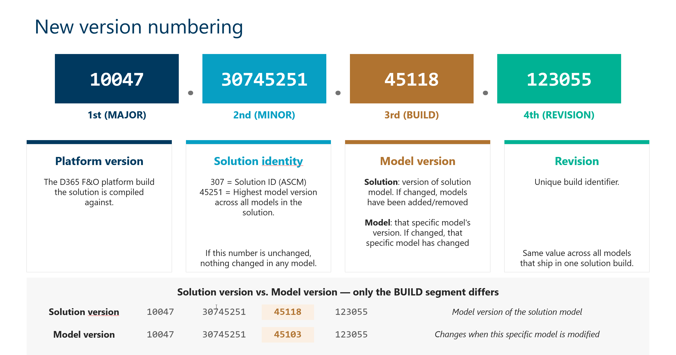
Version | Release Date | Remark

10048.33650310.49210.164147 | 2026-07-30 | 2026Q3-1 Quality Release - Product Search

Previous releases

Version | Release Date | Remark
10048.30249850.49395.150307 | 2026-06-12 | 2026Q3 Release - Product Search A new model DYSSOL336 has been introduced. If you install our source code please be sure to add this to your repository. If you've set up a saved view that includes Tags and receive an object reference error when trying to modify the query, delete the current query and recreate it. This issue has been fixed in the latest version, but existing queries created before the fix will still experience this error.
10047.33649310.49210.141619 | 2026-04-30 | 2026Q2-1 Quality Release - Product Search If you've set up a saved view that includes Tags and receive an object reference error when trying to modify the query, delete the current query and recreate it. This issue has been fixed in the latest version, but existing queries created before the fix will still experience this error. From now on our version numbering has been changed. See picture. In the Release Notes tab, the version number refers to the solution version. The new Modified Models column displays the build version number of each modified model. To verify that a change has been applied, open the Help > About dialog in the application and check the version of the third element for the relevant model — it should be equal to or higher than the version listed in the release notes. If it is, you can be confident that the change is included in the installed version.
10047.33648528.47924 | 2026-03-27 | 2026Q2 Release - Product Search A new model/package DYSAIS has been introduced which is part of our ALF Licensing Framework. If you install our source code please be sure to add this to your repository.
10046.26010600.48120 | 2026-02-27 | 2026Q1-2 Quality Release - Product Search
10046.26010600.47269 | 2026-01-09 | 2026Q1 Release - Product Search A new model/package DYSTAG "TAG" has been introduced which is part of the products HSO Essentials, HSO Product Search, HSO Advanced Order Management and HSO Advanced Supply Chain Management If you install our source code please be sure to add this to your repository. The license for HSO Tag is valid if there is a valid license found for HSO Product Search or HSO Essentials
10045.25092400.45943 | 2025-09-26 | 2025Q4 Release - Product Search With this feature a new package, DYSCommonSetup, has been added to the solution. If you install our source code please be sure to add this to your repository. As our configuration keys are turned off by default, we strongly advise you to turn them on. In case Advanced Finance 2025Q4 release has been installed an update script is executed automatically when Bank Reconciliation setup or Banking Parameters are opened. This only works if the configuration is enabled.
10044.25052701.45263 | 2025-08-29 | 2025Q3-2 Quality Release - Product Search
10044.25052700 | 2025-06-18 | 2025Q3 Release - Our products have been rebranded to HSO, all labels containing Dynamics or Innovation have been rebranded except for data entities in order not to break anything in existing data projects
MS release 10044 |  | In release 10.0.44 Microsoft replaces the existing libraries for working with Azure storage accounts with a new implementation. Please see the following link for more information: https://learn.microsoft.com/en-us/dynamics365/fin-ops-core/fin-ops/get-started/removed-deprecated-features-platform-updates#migration-from-deprecated-libraries--windowsazurestorage-and-microsoftazurestorage-to-azurestorageblobs For two of our products this meant that we had to refactor our code to work with the new libraries. Affected products: • Slim4 file based integration. Slim4 File based integration has been refactored to use the new libraries. Note that we also added a new parameter in the setup that needs to be setup when upgrading to the latest version. It’s being used for import and export of the Slim4 files to an azure blob storage. • Banking (now part of HSO Finance) This product uses Azure storage accounts through one of our base models (DYSFoundationAzure) DYSFoundationAzure is also refactored to use the new libraries. It’s being used to import bank statement files into F&O from an azure blob storage. Regarding customizations: For both products breaking changes were made so if you have customizations on Slim4 file based or Banking (through DYSFoundationAzure) with regards to the storage account please make sure that you build and test the code thoroughly. Regarding deployment: The new libraries are available on 10.0.43 and 10.0.44. This means that our 2025Q3 release is not compatible with 10.0.42 and older. Microsoft also announced "Disable storage account key access to Finance and Operations managed storage accounts" https://learn.microsoft.com/en-us/dynamics365/fin-ops-core/fin-ops/get-started/removed-deprecated-features-platform-updates#disable-storage-account-key-access-to-finance-and-operations-managed-storage-accounts : An F&O Managed storage account is not used in any of our in our solutions.
10043.25032400.43279 | 2025-03-25 | 2025Q2 Release In close cooperation with Microsoft we have introduced a hidden parameter in the system parameters table to enable to re-use attribute value records. Please do not enable this new parameter unless we advise to do so. Microsoft is implementing a different behavior in the attribute framework which is still in development and we are preparing our solution for it.
10042.25011301 | 2025-02-27 | 2025Q1-1 Quality update The DYSDUF model has been moved from DYSASB package to his own DYSDUF package. In order to clean up the label resources from the DYSASB package, DYSASB has been added to the ModuleToRemove.txt of the deployable package. This does not mean you have to remove this package from you build and release pipelines, but it will only clean up the label binaries of DYSDUF during the installation of the DYSASB package.
10042.25011300 | 2025-01-14 | 2025Q1 Release With this feature a new package, DYSDUF, has also been added to the solution. If you install our source code be sure to add this to your repository. Starting with this release, all configuration keys will be turned off by default. This change will not affect existing installations, but for new installations, the configuration keys will need to be manually turned on after installation.
10041.24091700 |  | Dynamics Product Search - Flintfox Performance Price Engine integration has been added. By default the configuration key for this is disabled as for this module a license is needed.
10041.24091700 |  | The Parameter to unlock the company filter has been moved from Product information management parameters to Product search parameters form. A data upgrade job has been created that needs to be executed, this should happen automatically.
10041.24091700 |  | A data upgrade job to populate the Unlock company filter in the Product Search parameter form is automatically executed
10040.24061201 |  | Hotfix release based on the 10040.24061200 to solve several bugs
10040.24060600 |  | With this feature a new package, DYSPRC, has also been added to the solution. If you install our source code be sure to add this to your repository.
10040.24061200 |  | With this feature a new package, DYSDBT, has also been added to the solution. If you install our source code be sure to add this to your repository.
10039.24032000 |  | Use legacy field of the table DYSAOLOrderSetup in DYSERPASPS model has been marked as obsolete. Please check whether you have extensions which depend on it and adjust your code accordingly as this code will be remove in the near future.
10039.24032000 |  | As of this release an extra model with dependencies is included in the solution, to fully support Specials functionality. Please make sure to include this model when creating your own packages etc.
10039.24032000 |  | Customers that only have a license for Dynamics Product Search need to turn of the configuration key for Dynamics Specials Management in order to prevent messages about invalid license messages for Specials
10037.61.310 |  | It's advised to setup the periodic job for the periodic clean up of generator and upload tasks. If this job is not set up, be advised that update of search data won't be possible when too many tasks exist.
10035.59.300 |  | With this release the search form control uses Fluent UI elements, slightly changing the look and feel of the search forms, but maintaining all functionality
10035.59.300 |  | As of this release an extra model with dependencies is included in the solution, to fully support AOL (add order lines) functionality. Please make sure to include this model when creating your own packages etc.
10035.59.1200 |  | The existing Add order lines setup in the accounts receivable parameters has been hidden and will be removed in a future release. Instead a new parameter form Add order lines setup (module Organization administration > Setup > Add order lines) has been added. Based on the old parameter setup a records will be created for the setup of the sales orders automatically when the basket is used. This means no additional action needs to be taken to keep working as before.
10035.59.1200 |  | Changes have been made to the security settings of the Add order lines functionality and from of this version also Dynamics Product Search is using the add order lines functionality to add the selected products to the order. When you get the message "Insufficient rights to use the Add order lines form" or "Insufficient rights to add lines to the order" please check the security setup of the user. Out of the box we ship the role Dynamics Add order lines clerk which contains the privileges Add items to order and View and maintain add order lines, which are needed to get access. Users that only have the clerk role in the previous version were not allowed to open and maintain lines in the basket. As of this release the clerk role will contain these rights.
10030.54.230 |  | Now that nearly a year has passed since the introduction of the Search configuration, the first steps of phasing out the 'old' Cloud V1 function are introduced with this version. All code has been marked as obsolete. Please check any customizations and move them over to Search configuration code if applicable.
10023.47.200 |  | This release introduces the Search configuration, a new Cloud search setup that replaces the previous version. A migration is needed to properly upgrade to this release. Please make sure to contact HSO Innovation to schedule your upgrade, so we can provide the proper guidance & support! For new customers/users, please check to make sure the 'DYS Advanced search - Azure search version 1' configuration key is disabled. This version with Search configuration provides multiple benefits such as full support for multi-language, multi-company and multi-hierarchy setups. It also provides a better foundation for future enhancements (and options for customizations) with a more robust solution which is also expected to bring stability and performance improvements.
10020.44.170 |  | This release offers multi-value attributes & field search. This means that multiple values can be selected (and displayed in search) for a single attribute, but only for text-type attributes with a fixed list of values. Field search has also been given the option to use & display multiple values if desired/applicable. Already in use field searches (and attributes) are not affected, but can be switched via setup if desired. Note that this version is needed as a minimum when working on a PU45 or higher environment due to the MS change in the hash function.
10015.39.150 |  | In this release we have added new parameters to the Azure Search parameters with the possibility of an override on the Search categorory hierarchies and user settings (in the product search form). As these are new fields they will be set to default or 0. We advise you to set them the way you like before your start using them
10015.39.140.23637 |  | This version is identical to version 10015.39.140.23499, the only difference is that the Package DysAdministrativeTools will be removed from your environment. This package should never be installed on a product environment. If you are upgrading from another release than 10013.37.132 please read the remarks below and execute the actions if necessary
10015.39.140.23499 |  | If you are upgrading from another release than 10013.37.132 please read the remarks below and execute the actions if necessary
10013.37.132 |  | If you are updating from a previous release other than 10012.36.130 please read the remarks of this version in between and apply them
10013.37.131 |  | If you are updating from a previous release other than 10012.36.130 please read the remarks of version 10012.36.130 in between and apply them
10012.36.130 |  | After installation of the new version please be sure to take the following actions:
 |  | - Assign the role association Product Search to the hierarhy setup in the product management search parameters
 |  | -You have to recreate the index from the parameters, publish schema only, update definitions and publish schema and data
 |  | - The parameter sort Alphabetically has been removed from the product management parameters and has been replaced by the standard display order field on the category hierarchy. You have to check whether the display order matches with the way you want to sort the categories This field becomes visible when the feature key "Enable display order for merchandising entities" has been enabled
1010.34.125 |  | You have to recreate the index from the parameters, publish schema only, update definitions and publish schema and data
1010.34.120 |  | You have to recreate the index from the parameters, publish schema only, update definitions and publish schema and data
1007.31.100.19248 |  | First release of Product Search based on Attribute Search Base (ASB)

